How to Use This Calculator
Data Input |  | Charts |  | "Generic" Tab
The first two sections of each ROI calculator can be customized according to the figures in your organization. Under "Project Costs" and "Results," you should amend the numbers according to the results of your organization. After that, the calculations and charts will automatically update to reflect your savings and ROI for each type of training. |  | The charts are automatically configured to updated as you input your own data and numbers into the calculators. The charts can easily be copied and pasted into reports or presentations for internal use. Simply right click on the area of a chart and hit "copy." Double click on a chart to amend the styling such as colors, borders, and labels. |  | Under the Generic tab on this spreadsheet, you can customize the labels and data to suit different types of training and projects. It has been designed to provide a high level ROI of any type of training project or initiaitve, so you can use this tab for any training types not included here.

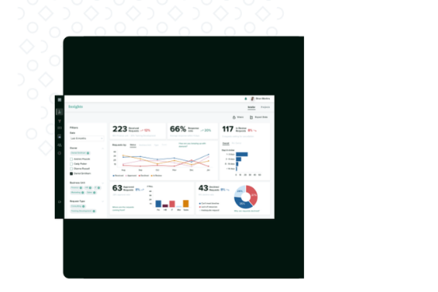

 | Start Your Free Trial

 | Book a Demo
 |  |  | Start Your Free Trial

